Calibration
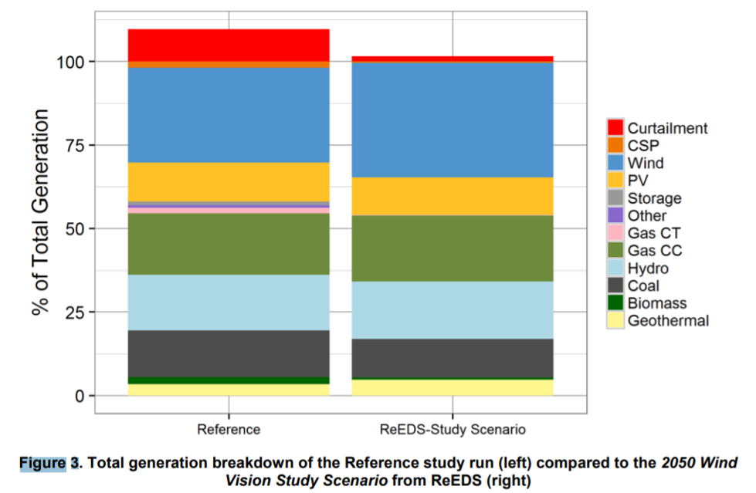
 |  |  |  | Number of pixels | Percent of total generation | Percent of total generation, adjusted to remove curtailment
 |  |  | Curtailment | 42 | 9% | 0%
 |  |  | CSP | 8 | 2% | 2%
 |  |  | Wind | 123 | 26% | 29%
 |  |  | PV | 51 | 11% | 12%
 |  |  | Storage | 3 | 1% | 1%
 |  |  | Other | 2 | 0% | 0%
 |  |  | Gas CT | 8 | 2% | 2%
 |  |  | Gas CC | 77 | 16% | 18%
 |  |  | Hydro | 72 | 15% | 17%
 |  |  | Coal | 59 | 13% | 14%
 |  |  | Biomass | 9 | 2% | 2%
 |  |  | Geothermal | 15 | 3% | 4%

Additional Variables Needed for Calculations
Battery storage capacity factor, assuming 4hr duration | 0.16666666667
BAU TCC Assumption | 0.0845
EoTCCwTC Assumption | 3.8
Selected Increase in Transmission | 0%
Calculated TCC | 0.0845

Calculations
 | 2020 | 2021 | 2022 | 2023 | 2024 | 2025 | 2026 | 2027 | 2028 | 2029 | 2030 | 2031 | 2032 | 2033 | 2034 | 2035 | 2036 | 2037 | 2038 | 2039 | 2040 | 2041 | 2042 | 2043 | 2044 | 2045 | 2046 | 2047 | 2048 | 2049 | 2050
Calculated flexibility points from peakers (calculated only for 2050) |  |  |  |  |  |  |  |  |  |  |  |  |  |  |  |  |  |  |  |  |  |  |  |  |  |  |  |  |  |  | 588526.0712
Calculated flexibility points from battery storage (calculated only for 2050) |  |  |  |  |  |  |  |  |  |  |  |  |  |  |  |  |  |  |  |  |  |  |  |  |  |  |  |  |  |  | 176116.42681
Usable Flexibility Points (from all sources except peakers and battery storage, read directly from model) | 83198.80444 | 88729.05956 | 91787.797 | 94940.5201 | 98618.619 | 103099.2019 | 108464.636 | 114882.637 | 122639.835 | 131675.289 | 141513.6 | 152130.919 | 163634.342 | 175343.596 | 187451.968 | 199821.259 | 212227.211 | 224716.27 | 236845.042 | 248505.256 | 259790.61 | 270578.64 | 281079.41 | 291177.64 | 301218.94 | 311247.26 | 321181.67 | 331010.57 | 341030.55 | 351229.47 | 361511.1

Total 2050 Flexibility Points | 1126153.598

 | Estimated Generation, 2050 | Calculated flexibility points used, 2050 | Fraction of Flexibility Points Used | Percent Reduction in Cap Factor due to Flexibility Point Constraints
wind | 1757.0548848 | 513582.40828 | 5.3970420497 | 0.18384039716
solar | 728.53495222 | 327562.25211 | 3.4422270312 | 0.085394666099

Weighted average curtailment | 0.15498561392

